1. Title Page
[Instacart GroceryBasket Analysis]

Project Name: Instacart GroceryBasket Analysis
Date: www.instacart.com/datasets/grocery-shopping-2017
Analyst Name: Brichaelle Bazil

Contents:
Population Flow
Consistency checks
Wrangling steps
Column derivations
Visualizations
Recommendations

2. Population Flow
Title page

Population flow

Exclusion flag
Condition: max_order <
Obervations to be removed:
Final total count of order_products_all: 34

Orders_products_combined
Orders_products_merged
Orders_products_all

Total: 15
Total: 11
Total: 34

1.) The grey boxes in the first row of the population flow represent the original data sets as they were when you downloaded them. In the Total fields you need to add the count of the rows when you imported the data set into Jupyter.
2.) The second row of boxes (coloured) represents the data sets after you manipulated them, e.g., removed missing values and duplicates. In the Total fields you need to add the count of the rows after conducting these operations. This offers a visual oveview of how the data flows throughout the data consistency checks.
3.) The third row, where also the arrows are coloured, represents the merges you performed between the datasets. In the Total fields you need to add the count of the rows in the merged datasets, so that you end up with the final dataset (in the red box). Keep in mind the final dataset should be without exclusions (based on the exclusion flag).

3. Consistency checks
 |  |  |  | Title page
Consistency checks

Dataset | Missing values | Missing values treatment | Duplicates
orders | 206209 | filter out missing values | 0
products | 16 | filter out missing values | 5
orders_products_prior | 0 | no missing values | 0
customers | 11259 | filter out missing values | 0

4. Wrangling steps
 |  |  |  | Title page
Wrangling steps

Columns dropped | Columns renamed | Columns' type changed | Comment/Reason
eval_set |  |  | variable uneeded
 | order_dow |  | not self explanatory
 |  | order_id | no calculation needed, value non-numeric
 | Surnam |  | incorrectly spelled
 | STATE |  | does not match label formats

5. Column derivations
 |  |  |  | Title page

Column derivations and aggregations

In this tab you should add tables below that the frequences of flags/label variables that you produced after deriving them. NB: don't do this for continuous variables, only for flags.
Dataset | New column | Column/s it was derived from | Conditions
orders_products_merged | Price Labels | Prices | if prices > 15 then High-range product if prices <= 15 & > 5 then Mid-range product if prices <= 5 then Low-range product
orders_products_merged | Busiest Day | orders_day_of_week | if value = 0 then Busiest day if value = 4 then Least busy everything else = Regularly busy
orders_products_merged | Busiest Days | orders_day_of_week | if value = 0 then Busiest day one if value = 1 then Busiest day two if value = 3 then Slowest day one if value = 4 then Slowest day two everything else = Regularly busy
orders_products_merged | Busiest period of day | order_hour_of_day
orders_products_variables | max_order | order_number & User_id | max orders per customer
orders_products_variables | Loyalty Flag | max_order | if max order > 40 then Loyal customer if max order <= 40 & > 10 then regular customer if max order <= 10 then new customer
orders_products_variables | mean_prices | order_number & User_id | spending habits of customers
orders_products_variables | Spending Flag | mean_prices | if mean prices > 10 then low spender if max order <= 10 then high spender
orders_products_variables | Order frequency flag | days_since_prior_order & User_id | if median order > 20 then Non-frequent customer if median order <= 20 & > 10 then Regular customer if median order <= 10 then Frequent customer
orders_products_customers_combined | Low-activity Exclusion Flag | max_order | if max_order < 5 then Low-activity Customer

6. Visualizations
 |  |  | Title page

Visualisations

In this tab you should include all the visualtions from Exercises 4.9 and 4.10, alongside the questions from the project brief that they answer. Include any commentary on the relationship between different variables.



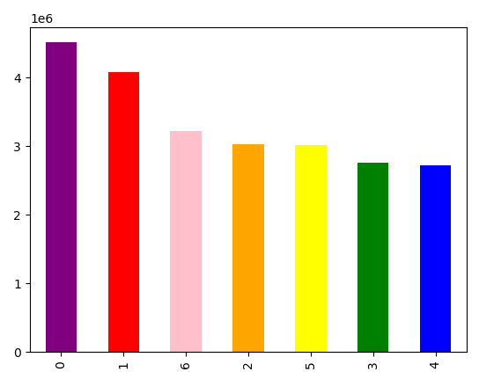
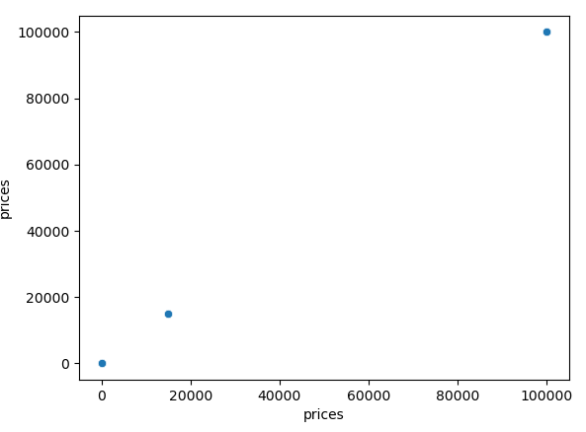
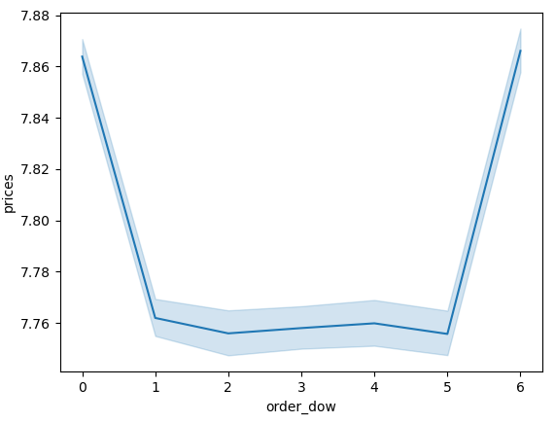

 | 1. Day of the week based on order frequency
 |  | 2. Marketing and sales want to use simpler price range groupings to help direct their efforts. |  | 3. Marketing and sales want to use simpler price range groupings to help direct their efforts. | 4. The sales team needs to know what the busiest days of the week are

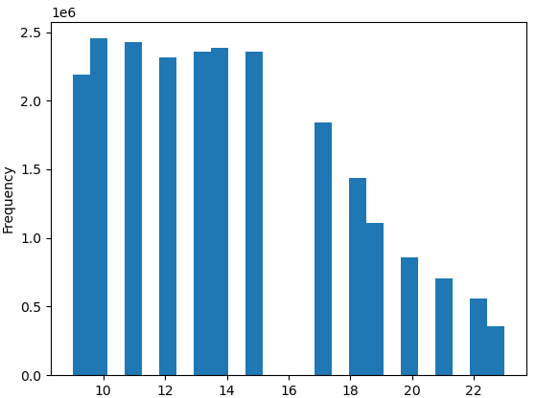
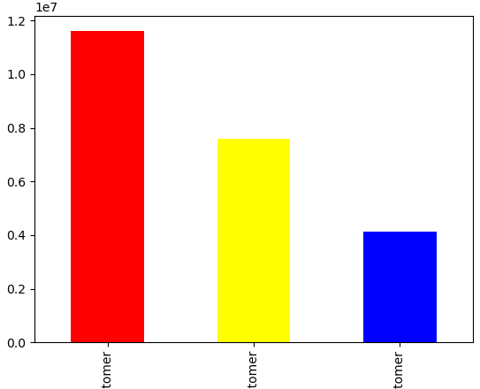
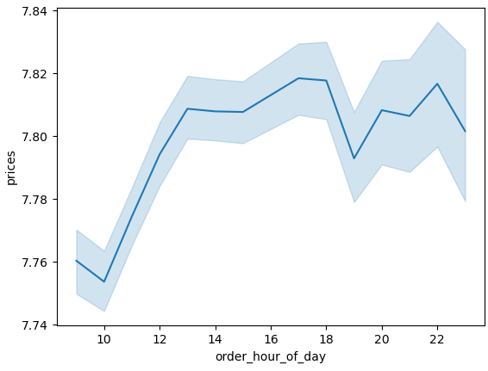
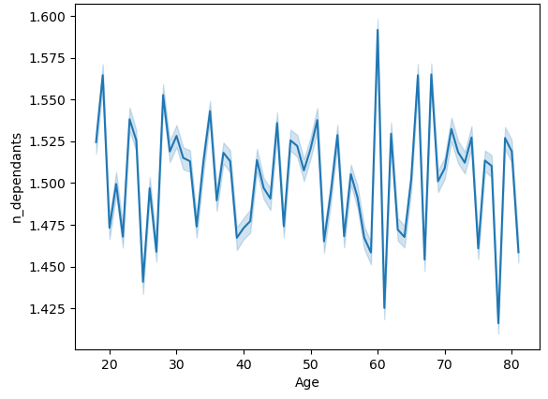

5. The sales team needs to know what the busiest hours of the day are
 |  | 6. Are there differences in ordering habits based on a customer’s loyalty status? |  | 7. Are particular times of the day when people spend the most money | 8. What different classifications does the demographic information suggest, based on age?

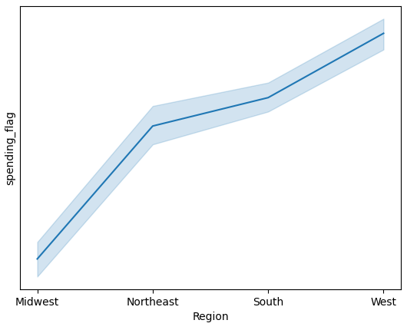
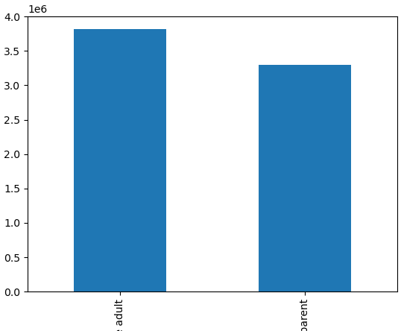
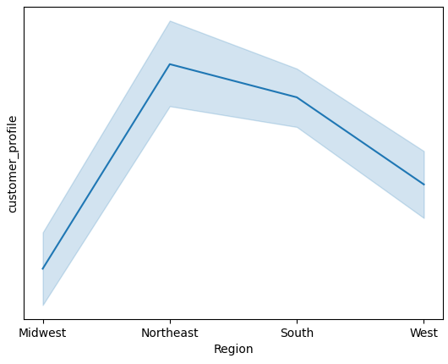
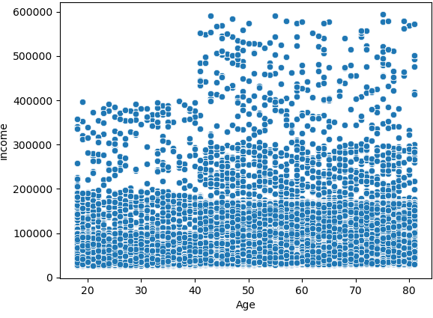

9. What different classifications does the demographic information suggest, based on income at a certain age? |  | 10. Customer spending habits regionally |  | 11. Is there a connection between age and family status in terms of ordering habits? | 12. Are there differences in ordering habits based on a customer’s region?

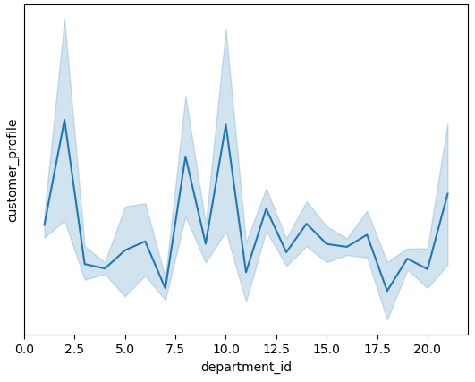

13. What different classifications does the demographic information suggest, based on certain types of goods

7. Recommendations
 |  |  | Title page

Recommendations

In this tab you should include any recommendations you would made to Instcart in terms of their marketing strategy based on the questions posed in the brief. Every key question has been covered in the Tasks of the Exercises - here you need to add an item - a visualisation or table/crosstable that is showing the answer in the data, acompanied by a comment from you. Please, list the questions below and add the answer underneath.

Question | Answer | Comments
The sales team needs to know what the busiest days of the week and hours of the day are | Busiest Days: Saturday & Sunday. Busiest Hours: 10 & 11 AM | see charts 4 & 5 on visulaization tab

Are particular times of the day when people spend the most money | As the day goes on there is a gradual increase of orders with most orders coming in at around 6pm and then later at 10 pm. It would benefit the company to optimize these hours, more ads around that time, ensuring system is running at full potential, and properly staffing at that time to meet demands | see chart 7 on visulaization tab

Marketing and sales want to use simpler price range groupings to help direct their efforts | A simple price frequency shows that most items purchased are between $0 and $15. Items higher than 15 but lower than 25 show little to no purchase. Marketing should focus on the sales of items that are less than or equal to $15 | see charts 2 & 3 on visulaization tab

 |  | see chart 6 on visulaization tab
Are there differences in ordering habits based on a customer’s loyalty status? | customers who's ordered less than 10 times are considered new members and may need some sort of incentive to motivate continued use, customers with more than 10 but less than 40 are considered regulare customers and have a moderate use of the service while customers above 40 purchases are cpnsidered the most loyal to company with above regular use

What different classifications does the demographic information suggest, based on age and income? | 1. Age does not have a direct reationship to number of dependants. Since every buyer's household number differs from the rest, one could be 24 with 3 dependants and 45 with zero. 2. In general most users don’t make over 200k yearly, while there are manny who do, ages ranging across the board, the vast majority of instacarts buyers are in the middle to lower class | see charts 8 & 9 on visulaization tab

Are there differences in ordering habits based on a customer’s region? | Each region's customer need differs from the other. However, the line chart shows that the northeast region has the most orders from young parents and single adults with the south region being a close second | see chart 12 on visulaization tab

What different classifications does the demographic information suggest, based on certain types of goods | Depending on what customer profile a customer falls in will somehwat determine what items they are likely to buy and continue to purchase. There will be items cutomers with dependents will/wont buy and vice versa. It would be ideal to figure out ways that to make such items more available and accessible | see chart 13 on visulaization tab

